authorship dss
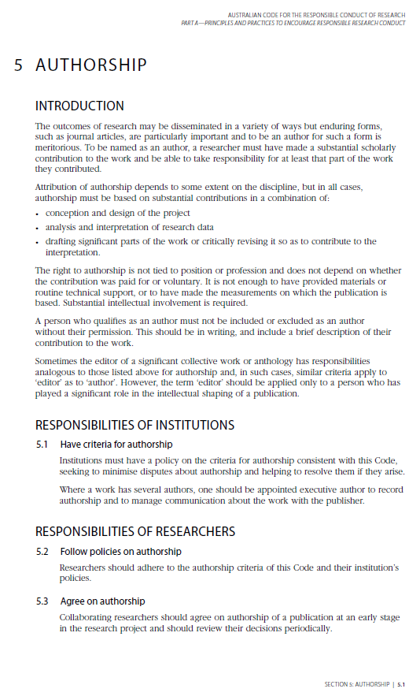
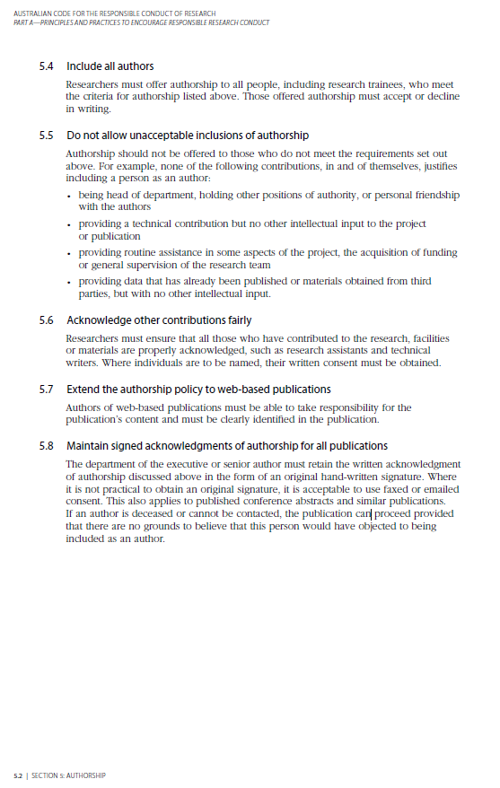
Authorship decision support tool
 | Scoring guidelines: 0 = no contribution; 1 = some involvement; 2 = significant contributor; 3 = couldn't have been done without them
Name:
 | Score (1-3) | Score (1-3) | Score (1-3) | Score (1-3) | Score (1-3) | Score (1-3)
Project idea and design (1)
Analysis and interpretation (2)
Writing and critically revising (3)
Stewardship (*)

Sum of points | 0 | 0 | 0 | 0 | 0 | 0
Could be first author? | No | No | No | No | No | No
Could be senior author? | No | No | No | No | No | No
Could be an author? | No | No | No | No | No | No
Should be in acknowledgment? | No | No | No | No | No | No

Inclusion criteria:
To be an author, an individual needs a total score of at least 3, with points in at least 2 categories.
The first author should have at least 2 points in (1), (2) and (3), and the senior author at least 2 points in (1), (3) and stewardship.

Notes:
The equivalency in section 5 of the Australian Code for Responsible conduct are:
(1) Conception and design of the project (IP)
(2) Analysis and interpretation of the research data
(3) Drafting significant parts of the work and critically revising so as to contribute to the interpretation
(*) Stewardship includes other support such as supervision and guaranteeing integrity of the work, strategic collaboration, developing resources etc (but with careful consideration of section 5.5).

